Sheet1
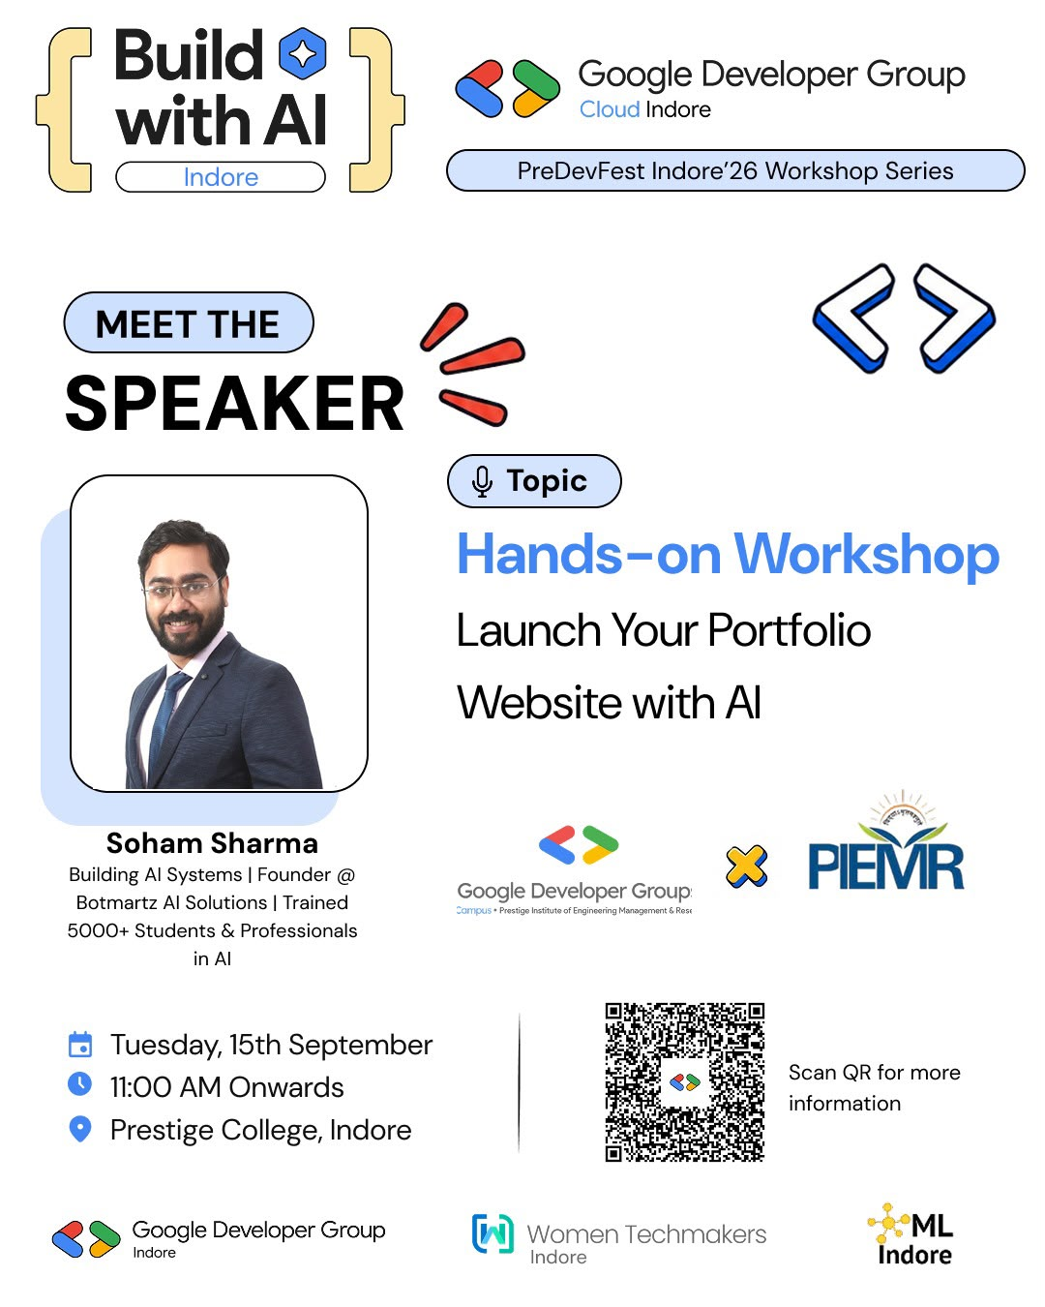
College Name | Date Proposed | Timings | Date Confirmed | RSVP Count | Post Scheduled in GDG Cloud (insta and linkedin | Bevy Link | Event photos Drive Link | Speaker Details | Logos drive | Poster Design | Content | Organisers | Status
Acropolis College | September 21st | 11-1 pm | Yes | 116 | 18 september with gdg aitr collab (7 pm) |  |  | Soham Sharma | https://drive.google.com/file/d/1lre4iIEZp76sq2kiGfDwuJnc7MwxMEqR/view?usp=drive_link |  |  |  | Done
IET DAVV College | September 18th | 4-5 pm | Yes | 35 | 15 september with gdgiet davv collab (7pm) |  |  | Mradula Mittal | Already manan had it | Manan Chimnani |  |  | Done
Prestige College | September 15th | 11-12 pm | Yes | 100 | already done |  | https://drive.google.com/drive/folders/1PHF1l0cgSZZYGvKaFh3kux4dlUV7deTt?usp=drive_link | Soham Sharma |  |  |  |  | Done
SAGE College | September 23rd | 12:30:00 | Yes | 160 | 20 september with gdg sage collab (7 pm) |  |  | Soham Sharma | https://drive.google.com/drive/folders/1tTIs1KA_Bnx0hhL0h88b-9PqT-6c-1nb?usp=drive_link |  |  |  | Done
Aurbindo | September 23rd | 10-11 am | Yes | 120 |  |  |  | Soham Sharma |  |  |  |  | Done
IPS college | September 24th | 3-4pm | Yes | 70 | Refrence Poster |  |  | Priyal Jain |  |  |  |  | Done
SGSITS College | September 24th | 5-6 Pm | Yes | 147 |  |  |  | Soham Sharma |  |  |  |  | Done
CDGI College | September 28th | 12-1 PM | Yes | 45 | 23 september with gdg cdgi collab (7 pm) |  |  | Soham Sharma |  |  |  |  | Done
IIPS DAVV | October 5th | 3-4 PM | Yes | 65 |  |  |  | Shubham Sharma
MEDICAPS | October 5th | 11:30-12:30 | Yes | 300 | 2026-01-10 |  |  |  |  |  |  |  | Done
IIST College | October 7th | 2-4 pm | Yes | 116 | 4 october with iist collab (7 pm) |  |  | Soham Sharma |  |  |  |  | Done
IIT Indore | October 7th | 5-6PM | Yes | 57 | 3rd October |  |  |  |  |  |  |  | Done
Symbiosis | 16th october | 11 am -1 pm | Yes |  |  |  |  | Aarti Jethaniya |  |  |  |  | Not started
LNCT COLLEGE | October 15th | 3-4 PM | Yes |  |  |  |  | Mradula Mittal |  |  |  |  | Done
MALWA COLLEGE | October 23rd | 2-4 PM | Yes |  |  |  |  | Vikas Ratnawat |  |  |  |  | Not started
NMIMS College | October 11th |  | No |  | 2026-10-07 |  |  |  |  |  |  |  | Not started
SKITM |  |  | No |  |  |  |  |  |  |  |  |  | Not started
Vaishnav College | TBD | TBD | No |  | 5 october with gdg vaishnav collab (7 pm) |  |  | Soham Sharma |  |  |  |  | Done

